1. Title Page
[Sales Pattern Analysis]

Project Name: Sales Pattern Analysis
Date: 5/8/2023
Analyst Name: Margo Shogren

Contents:
Population Flow
Consistency checks
Wrangling steps
Column derivations
Visualizations
Recommendations

Project Details:
This analysis provides initial data and exploratory analysis of the instacart data to derive insights on the variety of customers in their database and suggest strategies for targeting different customers with a targeted marketing strategy.

Data Citation:
"The Instacart Online Grocer Shopping Dataset 2017", Accessed from https://www.instacart.com/datasets/grocery-shoppin-2017 on 4-25-2023.
Customers Data Set:
 | https://s3.amazonaws.com/coach-courses-us/public/courses/data-immersion/A4/A4_Data_Assets/customers.zip
Data Dictionary
 | https://gist.github.com/jeremystan/c3b39d947d9b88b3ccff3147dbcf6c6b

Note: Instacart is a real company that's made their data available online. However, the contents of this project brief have been fabricated for the purpose of this Achievement.

2. Population Flow
 |  | Title page

Population flow

Exclusion flag
Condition: max_order < 5
Obervations to be removed: 1440295
Final total count of order_products_all: 30964564

Orders_products_combined
Orders_products_merged
Orders_products_all

Total:32404859
Total:
Total:
32434489 | 32404859

1.) The grey boxes in the first row of the population flow represent the original data sets as they were when you downloaded them. In the Total fields you need to add the count of the rows when you imported the data set into Jupyter.
2.) The second row of boxes (coloured) represents the data sets after you manipulated them, e.g., removed missing values and duplicates. In the Total fields you need to add the count of the rows after conducting these operations. This offers a visual oveview of how the data flows throughout the data consistency checks.
3.) The third row, where also the arrows are coloured, represents the merges you performed between the datasets. In the Total fields you need to add the count of the rows in the merged datasets, so that you end up with the final dataset (in the red box). Keep in mind the final dataset should be without exclusions (based on the exclusion flag).

3. Consistency checks
 |  |  |  | Title page
Consistency checks

Dataset | Missing values | Missing values treatment | Duplicates
orders | 206209 missing rows on days_since_prior_order | discovered all were for order 1, so they were kept missing | 0 duplicates found
products | product_name (16) | filtered out rows with missing values | 5 duplicate rows, were removed
orders_products_prior | 0 found | n/a | 0 duplicates found
customers | 0 found | n/a | 0 duplicates found
c_o_p410 | crosstab created to check days_since_prior_order were all for order 1

4. Wrangling steps
 |  |  |  | Title page
Wrangling steps

Columns dropped | Columns renamed | Columns' type changed | Comment/Reason
orders file:
orders file, 'eval_set" | orders file: Order_dow changed to: 'orders_day_of_week' | orders file: changed order_id to 'str' | order_id would not need to be an integer since we will not use math functions on it
department_file: | department_file:
Department file transposed to create a data dictionary | department file(changed order_day_of_week to orders_starting_Sat_as_day1 |  | To help describe the meaning of the column
 | department file(reset index and created new header) | orders file: changed user_id to 'str'
products file: |  |  | products file 'prices' replaced 2 prices found out of normal: 99999 with 9.99 and 14900 replaced with 1.49
df_prods_checked: Unnamed: 0_x |  |  | not needed, duplicate index col
df_prods_checked:Unnamed: 0_y |  |  | not needed, duplicate index col
ords_prods_merge: 'busiest_day' | busiest_day changed to Busiest days
customer file: | customer file:
 | customer: Surnam: Last_Name
 | customer: STATE: State
 | customer: fam_status: Marital_status
 | customer: n_dependants: no_of_dep
 | customer: First Name: First_Name | First_Name mixed type changed to string | data type should be consistent per column

5. Column derivations
 |  |  |  | Title page

Column derivations and aggregations

In this tab you should add tables below that the frequences of flags/label variables that you produced after deriving them. NB: don't do this for continuous variables, only for flags.
Dataset | New column | Column/s it was derived from | Conditions
orders & products merge | 'max_order' | groupby user_id transform on order_number
orders & products merge | 'loyalty_flag' created from .loc of 'max_order' | 'max_order' using transform | maximum orders the user has made is over 40, then the customer = “Loyal customer.”, maximum orders the user has made is over 10 but less than or equal to 40, then the customer = “Regular customer.”, maximum orders the user has made is less than or equal to 10, then the customer = “New customer.”
orders & products merge | 'Average_order' | groupby user_id transform on prices
orders & products merge | 'Spending_flag' | .loc on 'Average_order' | If the mean of the prices of products purchased by a user is lower than 10, then flag them as a “Low spender.”, If the mean of the prices of products purchased by a user is higher than or equal to 10, then flag them as a “High spender.”
orders & products merge | 'customer_frequency' | .loc on 'median_order' | median of “days_since_prior_order” is higher than 20, then the customer = “Non-frequent customer.”, median is higher than 10 and lower than or equal to 20, then the customer = “Regular customer.”median is lower than or equal to 10, then the customer = “Frequent customer.”
orders & products merge | _merge flag | merging orders & products | checks if the join was full join
orders & products merge | "'busiest_days" | For loop created for 'least busy', 'regularly busy', and 'Busiest days' | 'orders_day_of_week' <= 1, 'Busiest days'; ''orders_day_of_week' 3 or 4, 'Least busy'; else 'Regularly busy'
orders & products merge | "busiest_period_of_day" | "order_hour_of_day"; For loop created for 'Most orders', Fewest orders, Average orders | value > 9, 'Most orders'; value < 6, 'Fewest orders', all else, 'Average orders'
orders & products merge | "price_range_loc" | .loc for low, mid, high | "prices" > 15; "price_range_loc" = 'High-range product;"prices" <= 15 & > 5; "price_range_loc" = 'Mid-range product;"prices" <= 5; "price_range_loc" = 'Low-range product

6. Visualizations
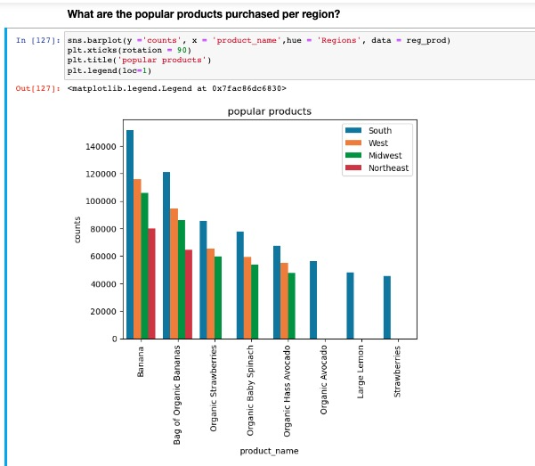
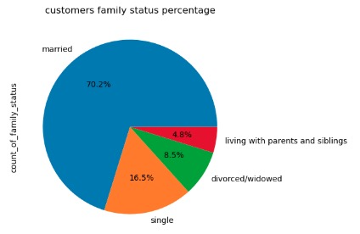
 |  |  | Title page

Visualizations

In this tab you should include all the visualtions from Exercises 4.9 and 4.10, alongside the questions from the project brief that they answer. Include any commentary on the relationship between different variables.

Q(5) Line chart showing difference in expenditure (the “prices” column) depending on the hour of the day.

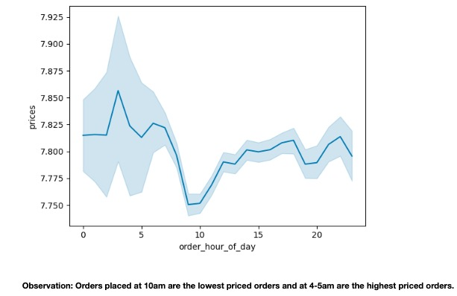

Q(6) Line graph to determine whether there’s a connection between age and family situation exploring the connections between age and number of dependents¶

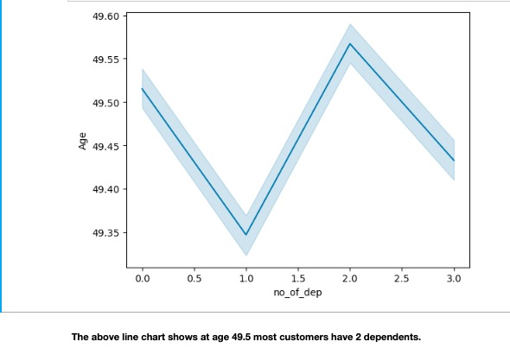

Scatterplot to explore whether there’s a connection between age and spending power (income).

 |  | e
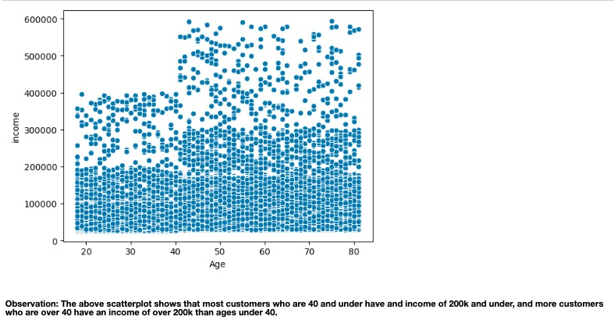

Bar chart to show the distribution of profiles for 'young parent', mid age parent', 'older parent', 'non parent'

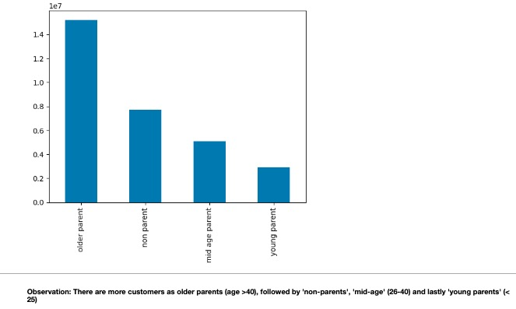

Histogram to show the distribution of profiles for customer income levels
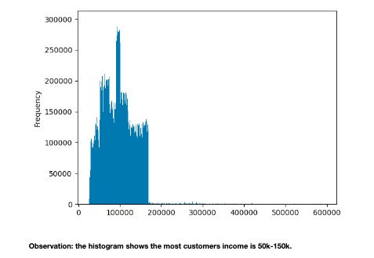

Bar graph to show the distribution of most frequent department id's ordered



Bar chart for orders_day_of week. Bar charts are good for categorical variables
Observation: Bar chart shows Saturday(0) busiest day, followed by Sunday; least busy days are Tuesday & Wednesday


Histogram showing the frequency of prices with products priced ($1 - $15), and just a small amount priced $15 to $25.

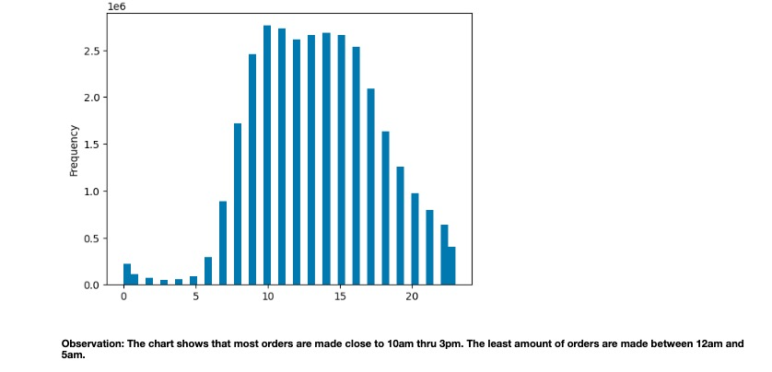

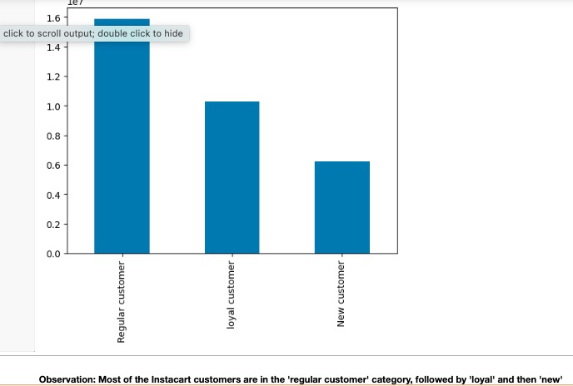

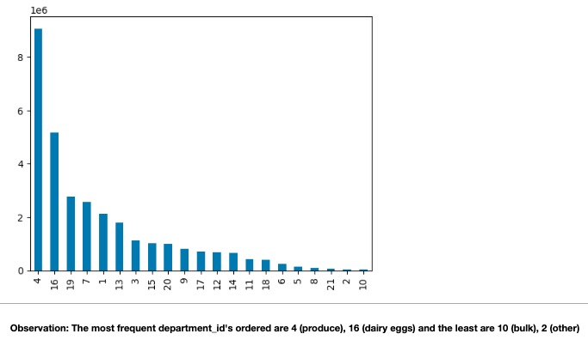

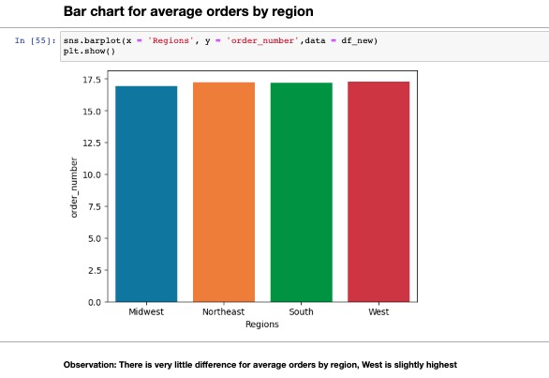

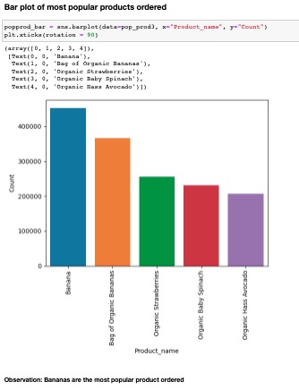

 | ,

7. Recommendations
 |  | Title page

Recommendations

In this tab you should include any recommendations you would made to Instacart in terms of their marketing strategy based on the questions posed in the brief. Every key question has been covered in the Tasks of the Exercises - here you need to add an item - a visualisation or table/crosstable that is showing the answer in the data, acompanied by a comment from you. Please, list the questions below and add the answer underneath.

 | Question
1 | sales team needs to know what the busiest days of the week and hours of the day
 | are (i.e., the days and times with the most orders) in order to schedule ads at times
 | when there are fewer orders.
 | Answer
 | The busiest day of the week is Saturday, followed by Sunday. (see fig.1)
 | The busiest hour of the day is 10am, followed by 11am. (see fig.2)
 | The least busy day of the week is Tuesday and the least busy hour is 3-4am.
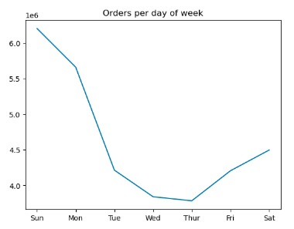
 | fig.1 fig.2

2 | whether there are particular times of the day when people spend
 | the most money, as this might inform the type of products they advertise at these times.
 | Customers spend the most money between the hours of 4am and 5am

3 | Marketing and sales want to use simpler price range groupings to help direct their efforts.
 | The average order is for items priced less than $10, however most of the prices from Instacart are Mid-range products (between $5 and $15)

Histogram showing the frequency of prices with products priced ($1 - $15), and just a small amount priced $15 to $25.

4 | Are there certain types of products that are more popular than others? The marketing
 | and sales teams want to know which departments have the highest frequency of product orders.
 | The highest frequency of orders are from department 4, which is produce, followed by 16 which is dairy eggs
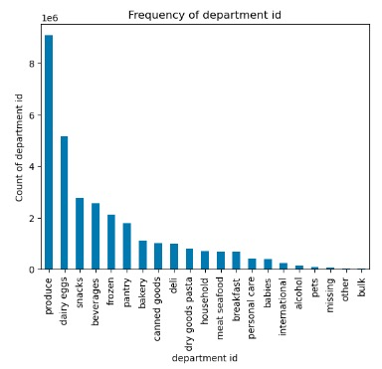

5a. | marketing and sales teams are particularly interested in the different types of
 | customers in their system and how their ordering behaviors differ
 | What’s the distribution among users in regards to their brand loyalty (i.e., how
 | often do they return to Instacart)?
 | 46% of Instacart customers are loyal customers which have made over 40 purchases

5b. | Are there differences in ordering habits based on a customer’s loyalty status?
 | New customer's purchase products an average of $2.00 more then 'loyal customers' and average of $1 more than 'Regular customers'

5c. | Are there differences in ordering habits based on a customer’s region?
 | The last visualization shows the most popular product for all regions is bananas, most especially the South. The South is also the most frequent purchaser of organic strawberries, organic spinach, organic Haas avocados, Large lemons, and strawberries

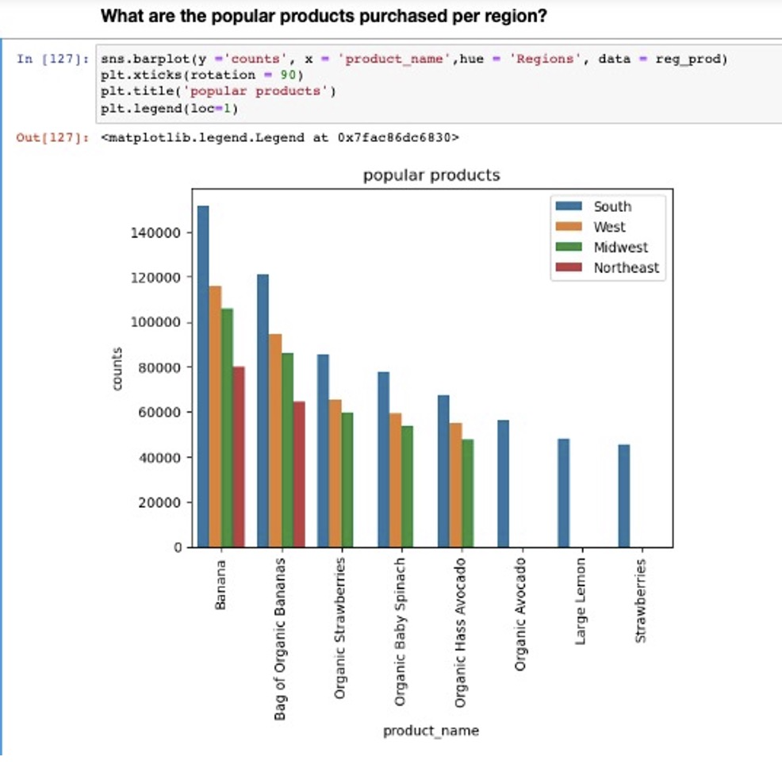

5d. | Is there a connection between age and family status in terms of ordering habits?
 | married customers are between 20 and 81 and single customers are between 18 and 60 and divorced or widowed are over 60
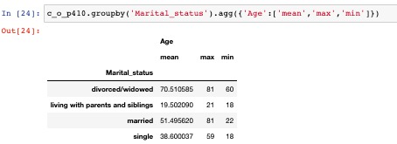

6 | What different classifications does the demographic information suggest? Age?
 | Income? Certain types of goods? Family status?
 | The average age of the customers is 49
 | The average income of the customers is $99,967
 | The average number of dependents is 1.5
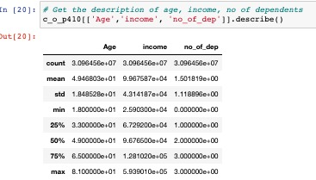

 | Most of the customers are married

7 | What differences can you find in ordering habits of different customer profiles?
 | Consider the price of orders, the frequency of orders, the products customers are
 | ordering, and anything else you can think of.
 | The most frequent products ordered are 'bannanas', organic bannanas,organic strawberries, oranic spinach, organic avocado
 | The South orders slightly higher priced items, but there are no significant differences.
 | The South has the most customers, 33% of the customers followed by the West 26%, Midwest 18% and last is Northeast 18%
 | On average the West orders slightly more products than other regions.

